Sheet1
Assignment - 1 : Display unique customer's as well as Employees FullName,Address,City,Region,PostalCode,Country,Phone whose name starts with character 'A'.
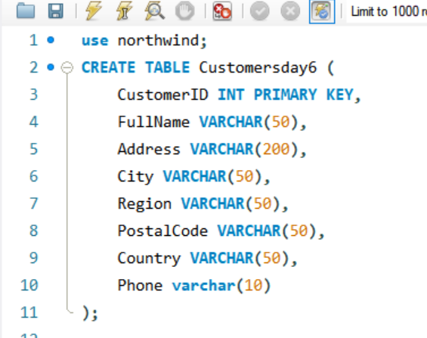

QUERY | Union Query: | Union All Query:
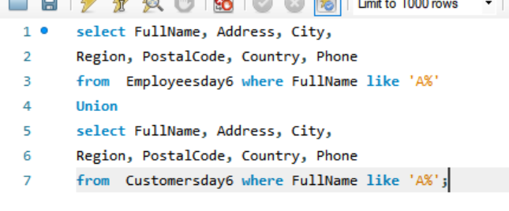
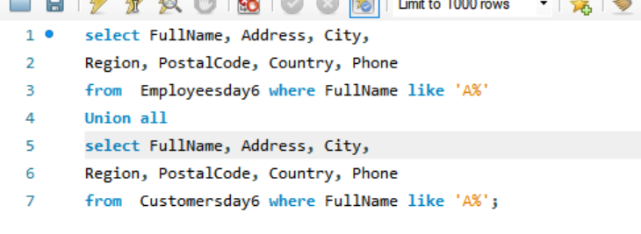

RESULT | Union Result: | Union All Result:

Assignment - 2: Display customer's as well as Employees FullName,Address,City,Region,PostalCode,Country,Phone who are living in india

QUERY | Union Query: | Union All Query:

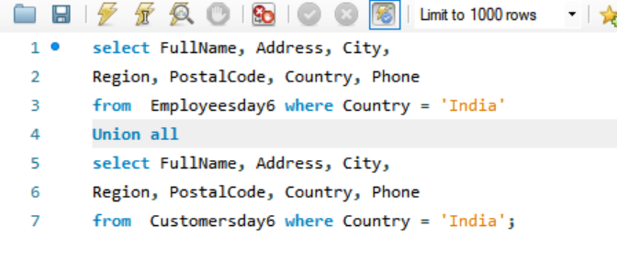

RESULT | Union Result: | Union All Result:

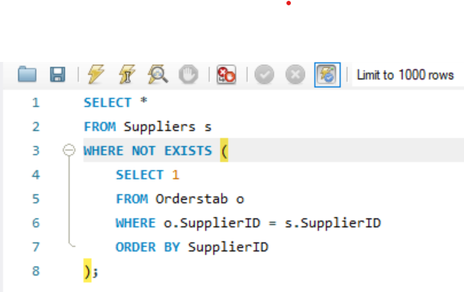
Assignment - 3
QUERY

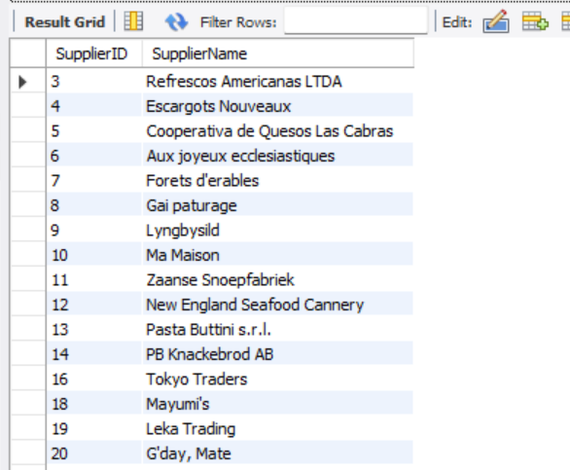
RESULT

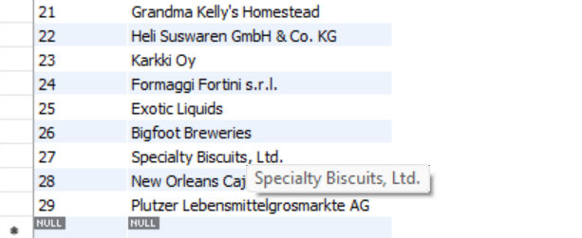

Assignment - 4

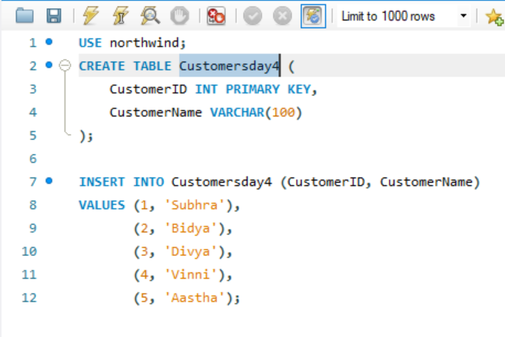
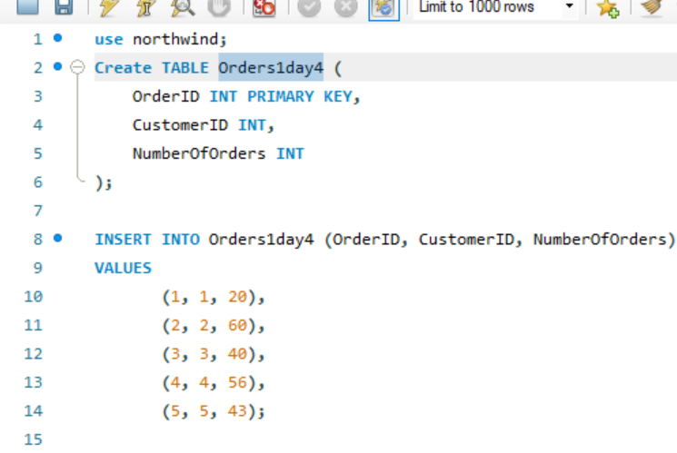
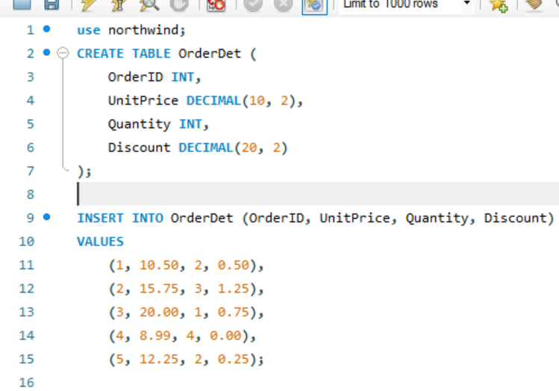

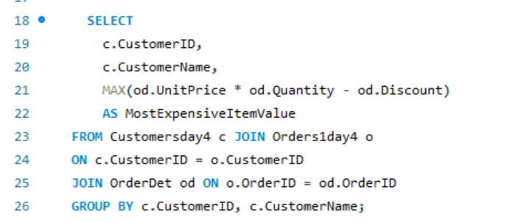
QUERY

RESULT

Assignment - 5
 | Employeesday4 Table:

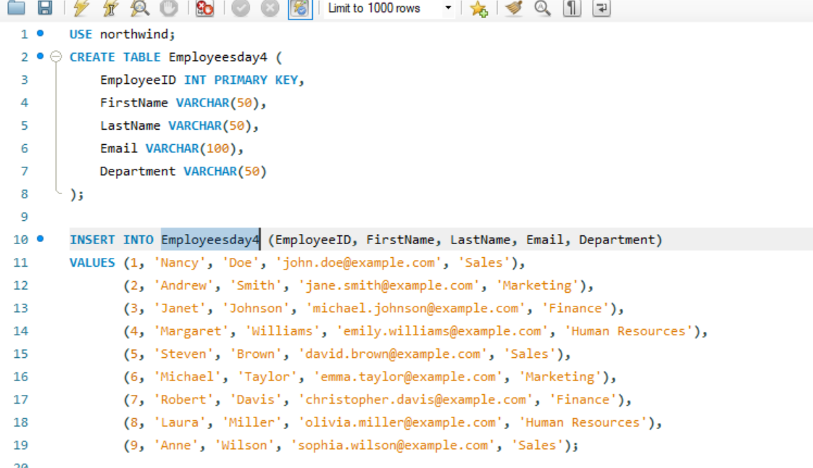

 | Employee_Temp Table:
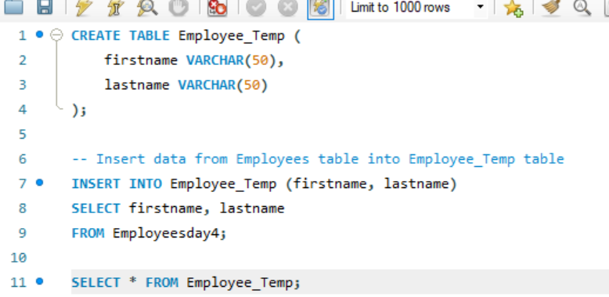

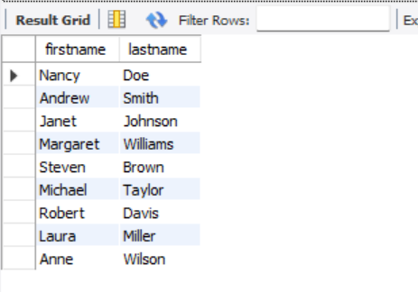
RESULT

